Bathroom & WC
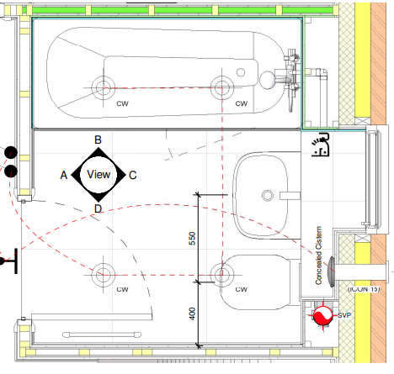
Family bathroom
Component | Description / Notes | Assumed weight (kg) | Assumed material | Carbon factor (kgCO2e/kg) | Carbon (kgCO2e) | Complexity factor | Buffer factor | Adjusted carbon (kgCO2e)
Bath |  | 23 | EPD: Acryl Bathtub and Shower Tray Products | 2.6 | 60 | 1 | 1.3 | 78
Bath taps |  | 1.9 | Brass | 2.64 | 5 | 1.3 | 1.3 | 8
Shower mixer | shower over bath | 1.8 | Brass | 2.64 | 5 | 1.3 | 1.3 | 8
Sink | inc. pedestal | 23 | Vitreous China | 1.61 | 37 | 1.3 | 1.3 | 63
Sink taps | inc. clicker waste | 1.7 | Brass | 2.64 | 4 | 1.3 | 1.3 | 7
WC | close coupled | 27 | Vitreous China | 1.61 | 43 | 1.3 | 1.3 | 73

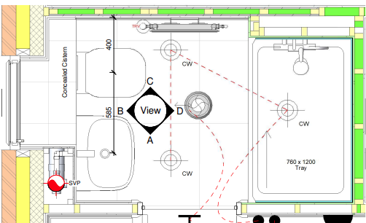
Ensuite bathroom
Component | Description / Notes | Assumed weight (kg) | Assumed material | Carbon factor (kgCO2e/kg) | Carbon (kgCO2e) | Complexity factor | Buffer factor | Adjusted carbon (kgCO2e)
Shower tray |  | 30 | EPD: Engineered Stone shower tray | 1.4 | 42 | 1 | 1.3 | 55
Shower mixer |  | 5 | Brass | 2.64 | 13 | 1.3 | 1.3 | 22
Sink | inc. pedestal | 23 | Vitreous China | 1.61 | 37 | 1.3 | 1.3 | 63
Sink taps | inc. clicker waste | 1.7 | Brass | 2.64 | 4 | 1.3 | 1.3 | 7
WC | close coupled | 27 | Vitreous China | 1.61 | 43 | 1.3 | 1.3 | 73

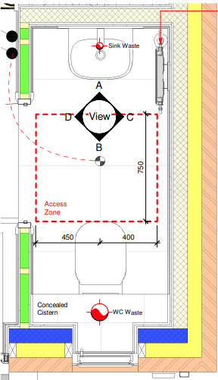
WC
Component | Description / Notes | Assumed weight (kg) | Assumed material | Carbon factor (kgCO2e/kg) | Carbon (kgCO2e) | Complexity factor | Buffer factor | Adjusted carbon (kgCO2e)
Sink | smaller size | 15 | Vitreous China | 1.61 | 24 | 1.3 | 1.3 | 41
Sink taps | inc. clicker waste | 1.7 | Brass | 2.64 | 4 | 1.3 | 1.3 | 7
WC | close coupled | 27 | Vitreous China | 1.61 | 43 | 1.3 | 1.3 | 73

 | Total impact A1-A3
Family bathroom | 237
Ensuite bathroom | 220
WC | 121 | per WC

Average family / ensuite | 228.5 | per bathroom or ensuite

Kitchen (2)
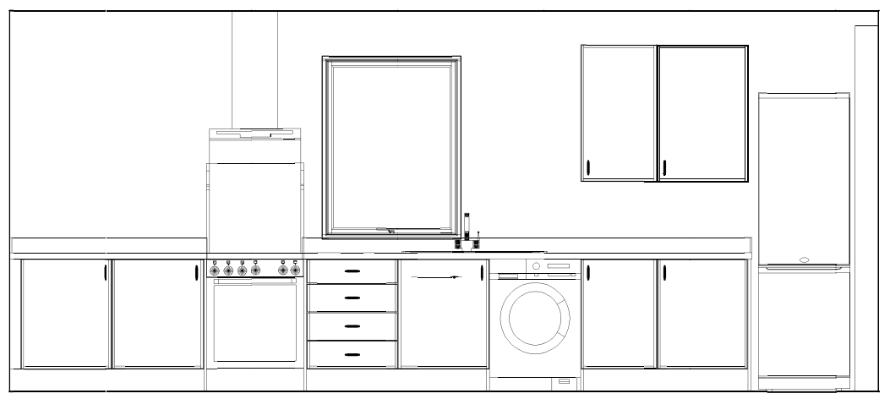
Small Kitchen
Component | Description / Notes | Assumed weight (kg) | Assumed material | Carbon factor (kgCO2e/kg) | Carbon (kgCO2e) |  | Complexity factor | Buffer factor | Adjusted carbon (kgCO2e)
Cabinets, frontals, panels and plinths |  | 205 | Chipboard | 0.5 | 103 |  | 1.3 | 1.3 | 174
MDF Rails |  | 1.75 | MDF | 0.46 | 1 |  | 1.3 | 1.3 | 2
Worktops and upstands |  | 178 | Chipboard | 0.5 | 89 |  | 1.3 | 1.3 | 150
Hinges |  | 2.2 | Steel - Galvanised | 2.67 | 6 |  | 1.3 | 1.3 | 10
Handles |  | 0.8 | Aluminium | 6.67 | 5 | ZAMAC | 1.3 | 1.3 | 8
Drawer box |  | 6.2 | Steel - Galvanised | 2.67 | 17 |  | 1.3 | 1.3 | 29
Plastic Legs |  | 1.7 | ABS | 3.76 | 6 |  |  |  | 0
Ply | assume 3 sheets |  | Ply - Hardwood | 0.88 | 0 |  | 1 | 1.3 | 0
Tiles | assume 2m2 @ 18kg/m2 | 36 | Tiles - Ceramic | 0.78 | 28 |  | 1 | 1.3 | 36
Splashback |  | 4.5 | Steel - Stainless | 4.41 | 20 |  | 1.3 | 1.3 | 34
Sink |  | 6 | Steel - Stainless | 4.41 | 26 |  | 1.3 | 1.3 | 44
Sink taps |  | 2 | Steel - Stainless | 4.41 | 9 |  | 1.3 | 1.3 | 15
Appliances
Oven |  | 29 | Electrical items - large | 3.27 | 95 |  | 1.6 | 1.3 | 198
Hob |  | 7 | Electrical items - large | 3.27 | 23 |  | 1.6 | 1.3 | 48
Fridge / freezer |  | 58 | Electrical items - fridges and freezers | 4.36 | 253 |  | 1.6 | 1.3 | 526
Washing machine |  | 70 | Electrical items - large | 3.27 | 229 |  | 1.6 | 1.3 | 476

 | Total impact A1-A3 (kgCO2e)
Small kitchen | 1750 | per kitchen

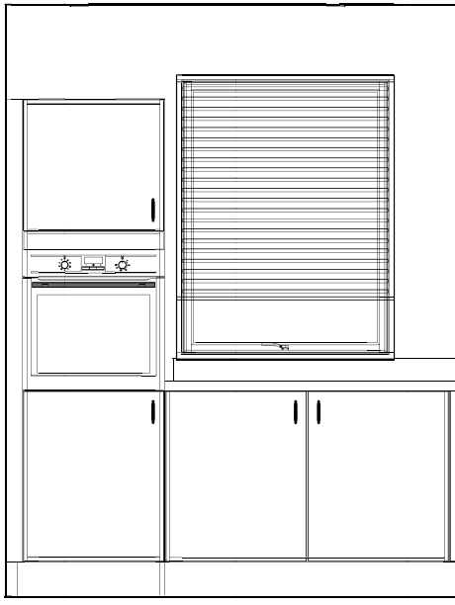
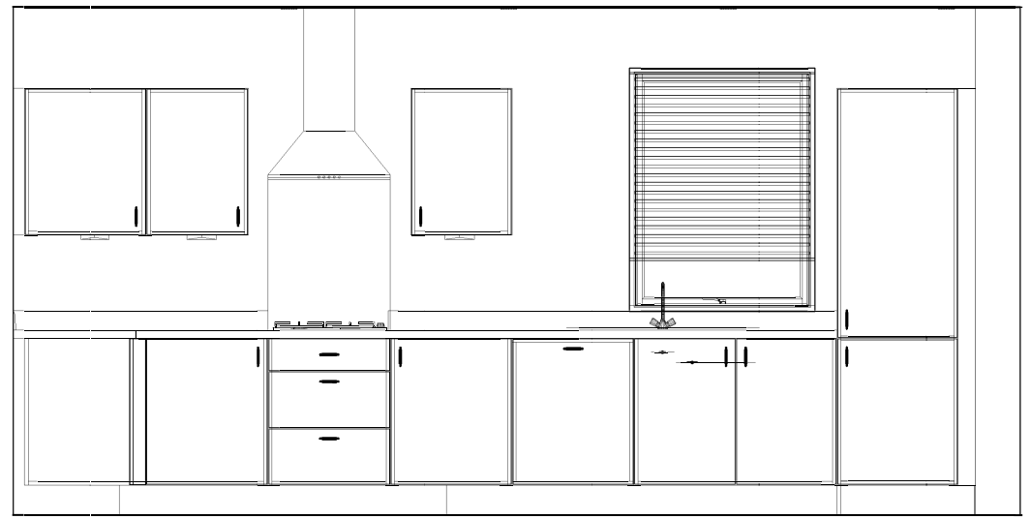
Medium Kitchen
Component | Description / Notes | Assumed weight (kg) | Assumed material | Carbon factor (kgCO2e/kg) | Carbon (kgCO2e) |  | Complexity factor | Buffer factor | Adjusted carbon (kgCO2e)
Cabinets, frontals, panels and plinths |  | 390 | Chipboard | 0.5 | 195 |  | 1.3 | 1.3 | 330
MDF Rails |  | 5 | MDF | 0.46 | 2 |  | 1.3 | 1.3 | 3
Worktops and upstands |  | 280 | Chipboard | 0.5 | 140 |  | 1.3 | 1.3 | 237
Hinges |  | 2.5 | Steel - Galvanised | 2.67 | 7 |  | 1.3 | 1.3 | 12
Handles |  | 1 | Aluminium | 6.67 | 7 | ZAMAC | 1.3 | 1.3 | 12
Drawer box |  | 7 | Steel - Galvanised | 2.67 | 19 |  | 1.3 | 1.3 | 32
Plastic Legs |  | 2.8 | ABS | 3.76 | 11
Ply | assume 3 sheets | 84 | Ply - Hardwood | 0.88 | 74 |  | 1 | 1.3 | 96
Tiles | assume 2m2 @ 18kg/m2 | 36 | Tiles - Ceramic | 0.78 | 28 |  | 1 | 1.3 | 36
Glass Splashback |  | 8.5
Sink |  | 6 | Steel - Stainless | 4.41 | 26 |  | 1.3 | 1.3 | 44
Sink taps |  | 2 | Steel - Stainless | 4.41 | 9 |  | 1.3 | 1.3 | 15
Appliances
Oven |  | 29 | Electrical items - large | 3.27 | 95 |  | 1.6 | 1.3 | 198
Hob |  | 7 | Electrical items - large | 3.27 | 23 |  | 1.6 | 1.3 | 48
Dishwasher |  | 35 | Electrical items - large | 3.27 | 114 |  | 1.6 | 1.3 | 237
Fridge / freezer |  | 58 | Electrical items - fridges and freezers | 4.36 | 253 |  | 1.6 | 1.3 | 526
Washing machine |  | 70 | Electrical items - large | 3.27 | 229 |  | 1.6 | 1.3 | 476

 | Total impact A1-A3 (kgCO2e)
Medium kitchen | 2302 | per kitchen

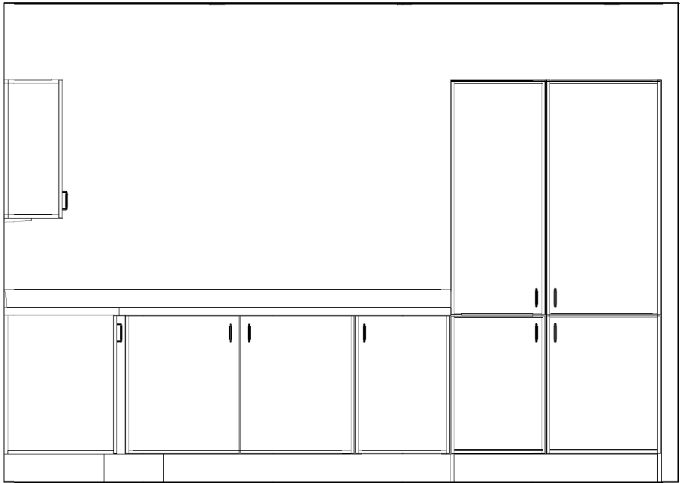
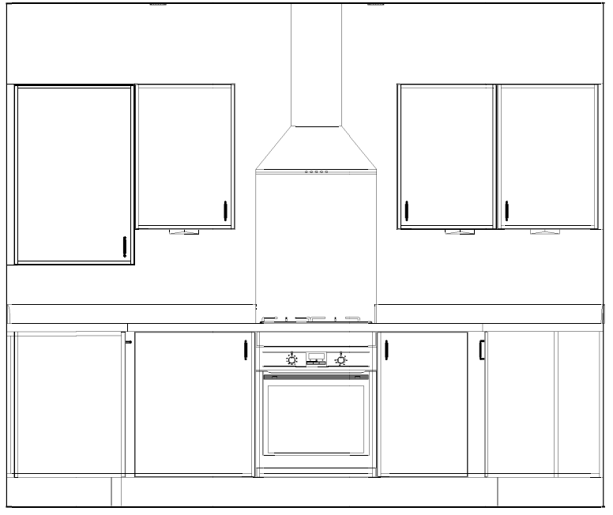
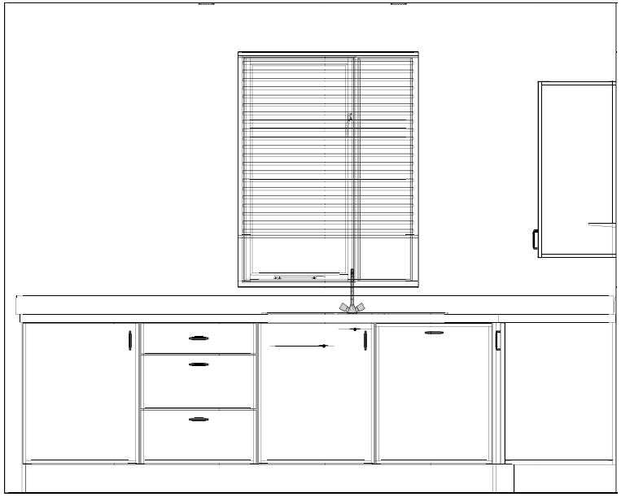
Large Kitchen
Component | Description / Notes | Assumed weight (kg) | Assumed material | Carbon factor (kgCO2e/kg) | Carbon (kgCO2e) |  | Complexity factor | Buffer factor | Adjusted carbon (kgCO2e)
Cabinet board |  | 280 | Chipboard | 0.5 | 140 |  | 1.3 | 1.3 | 237
Frontals, panels and plinths |  | 175 | MDF | 0.46 | 81 |  | 1.3 | 1.3 | 137
MDF Rails |  | 9.7 | MDF | 0.46 | 4 |  | 1.3 | 1.3 | 7
Worktops and upstands |  | 350 | Chipboard | 0.5 | 175 |  | 1.3 | 1.3 | 296
Hinges |  | 2.7 | Steel - Galvanised | 2.67 | 7 |  | 1.3 | 1.3 | 12
Handles |  | 1.1 | Aluminium | 6.67 | 7 | ZAMAC | 1.3 | 1.3 | 12
Drawer box |  | 7.6 | Steel - Galvanised | 2.67 | 20 |  | 1.3 | 1.3 | 34
Plastic Legs |  | 3.4 | ABS | 3.76 | 13
Ply | assume 3 sheets | 84 | Ply - Hardwood | 0.88 | 74 |  | 1 | 1.3 | 96
Tiles | assume 2m2 @ 18kg/m2 | 36 | Tiles - Ceramic | 0.78 | 28 |  | 1 | 1.3 | 36
Glass Splashback |  | 8.5
Sink |  | 6 | Steel - Stainless | 4.41 | 26 |  | 1.3 | 1.3 | 44
Sink taps |  | 2 | Steel - Stainless | 4.41 | 9 |  | 1.3 | 1.3 | 15
Appliances
Oven |  | 29 | Electrical items - large | 3.27 | 95 |  | 1.6 | 1.3 | 198
Hob |  | 7 | Electrical items - large | 3.27 | 23 |  | 1.6 | 1.3 | 48
Dishwasher |  | 35 | Electrical items - large | 3.27 | 114 |  | 1.6 | 1.3 | 237
Fridge / freezer |  | 58 | Electrical items - fridges and freezers | 4.36 | 253 |  | 1.6 | 1.3 | 526
Washing machine |  | 70 | Electrical items - large | 3.27 | 229 |  | 1.6 | 1.3 | 476

 | Total impact A1-A3 (kgCO2e)
Large kitchen | 2411 | per kitchen

